Sheet1
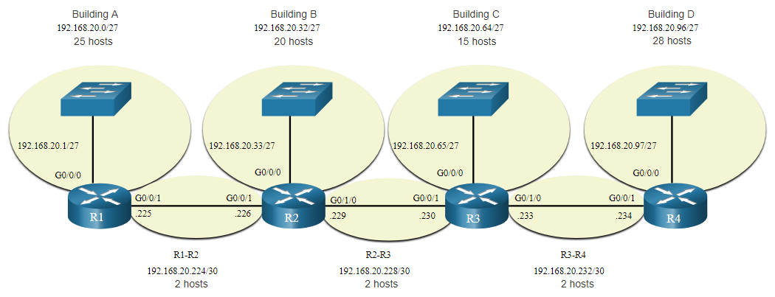
128 | 64 | 32 | 16 | 8 | 4 | 2 | 1 | Base Network |  | Network D: 28 Hosts |  |  |  |  | Note: Changed Building "C" to ten (10) Hosts
0 | 0 | 0 | 0 | 0 | 0 | 0 | 0 | Network Address is: 192.168.20.0 |  | Network A: 25 Hosts
0 | 0 | 0 | 0 | 0 | 0 | 0 | 1 | First Usable Address is: 192.168.20.1 |  | Network B: 20 Hosts
1 | 1 | 1 | 1 | 1 | 1 | 1 | 0 | Last Usable Address is: 192.168.20.254 |  | Network C: 10 Hosts
1 | 1 | 1 | 1 | 1 | 1 | 1 | 1 | Broadcast Address is: 192.168.20.255 |  | R1-R2: 2 Hosts
0 | 0 | 0 | 0 | 0 | 0 | 0 | 0 | Subnet Mask is: 255.255.255.0 | /24 | R2-R3: 2 Hosts
 |  |  |  |  |  |  |  |  |  | R3-R4: 2 Hosts
128 | 64 | 32 | 16 | 8 | 4 | 2 | 1 | Building D: 28 Hosts
 | 126 | 62 | 30 | 14 | 6 | 2 | X |  |  |  | 128 | 64 | 32 | 16 | 8 | 4 | 2 | 1
0 | 0 | 0 | 0 | 0 | 0 | 0 | 0 | Network Address is: 192.168.20.0 |  | D | n/s | n/s | n/s | h | h | h | h | h
0 | 0 | 0 | 0 | 0 | 0 | 0 | 1 | First Usable Address is: 192.168.20.1 |  | A | n/s | n/s | n/s | h | h | h | h | h
0 | 0 | 0 | 1 | 1 | 1 | 1 | 0 | Last Usable Address is: 192.168.20.30 |  | B | n/s | n/s | n/s | h | h | h | h | h
0 | 0 | 0 | 1 | 1 | 1 | 1 | 1 | Broadcast Address is: 192.168.20.31 |  | C | n/s | n/s | n/s | n/s | h | h | h | h
1 | 1 | 1 | 0 | 0 | 0 | 0 | 0 | Subnet Mask is: 255.255.255.224 | /27 | R1-R2 | n/s | n/s | n/s | n/s | n/s | n/s | h | h
 |  |  |  |  |  |  |  |  |  | R2-R3 | n/s | n/s | n/s | n/s | n/s | n/s | h | h
128 | 64 | 32 | 16 | 8 | 4 | 2 | 1 | Building A: 25 Hosts |  | R3-R4 | n/s | n/s | n/s | n/s | n/s | n/s | h | h
 | 126 | 62 | 30 | 14 | 6 | 2 | X
0 | 0 | 1 | 0 | 0 | 0 | 0 | 0 | Network Address is: 192.168.20.32 |  |  | 1) | Increase Subnet by One (1)
0 | 0 | 1 | 0 | 0 | 0 | 0 | 1 | First Usable Address is: 192.168.20.33 |  |  | 2) | Move Mask Line if Necessary
0 | 0 | 1 | 1 | 1 | 1 | 1 | 0 | Last Usable Address is: 192.168.20.62 |  |  | 3) | Copy Top Line Down (Not into Subnet mask!)
0 | 0 | 1 | 1 | 1 | 1 | 1 | 1 | Broadcast Address is: 192.168.20.63 |  |  | 4) | Make any Additional Subnet bits a High (1)
1 | 1 | 1 | 0 | 0 | 0 | 0 | 0 | Subnet Mask is: 255.255.255.224 | /27

128 | 64 | 32 | 16 | 8 | 4 | 2 | 1 | Building B: 16 Hosts
 | 126 | 62 | 30 | 14 | 6 | 2 | X
0 | 1 | 0 | 0 | 0 | 0 | 0 | 0 | Network Address is: 192.168.20.64
0 | 1 | 0 | 0 | 0 | 0 | 0 | 1 | First Usable Address is: 192.168.20.65
0 | 1 | 0 | 1 | 1 | 1 | 1 | 0 | Last Usable Address is: 192.168.20.94
0 | 1 | 0 | 1 | 1 | 1 | 1 | 1 | Broadcast Address is: 192.168.20.95
1 | 1 | 1 | 0 | 0 | 0 | 0 | 0 | Subnet Mask is: 255.255.255.224 | /27

128 | 64 | 32 | 16 | 8 | 4 | 2 | 1 | Building C: 10 Hosts
 | 126 | 62 | 30 | 14 | 6 | 2 | X
0 | 1 | 1 | 0 | 0 | 0 | 0 | 0 | Network Address is: 192.168.20.96
0 | 1 | 1 | 0 | 0 | 0 | 0 | 1 | First Usable Address is: 192.168.20.97
0 | 1 | 1 | 0 | 1 | 1 | 1 | 0 | Last Usable Address is: 192.168.20.110
0 | 1 | 1 | 0 | 1 | 1 | 1 | 1 | Broadcast Address is: 192.168.20.111
1 | 1 | 1 | 1 | 0 | 0 | 0 | 0 | Subnet Mask is: 255.255.255.240 | /28

128 | 64 | 32 | 16 | 8 | 4 | 2 | 1 | R1 - R2: 2 Hosts
 | 126 | 62 | 30 | 14 | 6 | 2 | X
0 | 1 | 1 | 1 | 0 | 0 | 0 | 0 | Network Address is: 192.168.20.112
0 | 1 | 1 | 1 | 0 | 0 | 0 | 1 | First Usable Address is: 192.168.20.113
0 | 1 | 1 | 1 | 0 | 0 | 1 | 0 | Last Usable Address is: 192.168.20.114
0 | 1 | 1 | 1 | 0 | 0 | 1 | 1 | Broadcast Address is: 192.168.20.115
1 | 1 | 1 | 1 | 1 | 1 | 0 | 0 | Subnet Mask is: 255.255.255.252 | /30

128 | 64 | 32 | 16 | 8 | 4 | 2 | 1 | R2 - R3: 2 Hosts
 | 126 | 62 | 30 | 14 | 6 | 2 | X
0 | 1 | 1 | 1 | 0 | 1 | 0 | 0 | Network Address is: 192.168.20.116
0 | 1 | 1 | 1 | 0 | 1 | 0 | 1 | First Usable Address is: 192.168.20.117
0 | 1 | 1 | 1 | 0 | 1 | 1 | 0 | Last Usable Address is: 192.168.20.118
0 | 1 | 1 | 1 | 0 | 1 | 1 | 1 | Broadcast Address is: 192.168.20.119
1 | 1 | 1 | 1 | 1 | 1 | 0 | 0 | Subnet Mask is: 255.255.255.252 | /30

128 | 64 | 32 | 16 | 8 | 4 | 2 | 1 | R3 - R4: 2 Hosts
 | 126 | 62 | 30 | 14 | 6 | 2 | X
0 | 1 | 1 | 1 | 1 | 0 | 0 | 0 | Network Address is: 192.168.20.120
0 | 1 | 1 | 1 | 1 | 0 | 0 | 1 | First Usable Address is: 192.168.20.121
0 | 1 | 1 | 1 | 1 | 0 | 1 | 0 | Last Usable Address is: 192.168.20.122
0 | 1 | 1 | 1 | 1 | 0 | 1 | 1 | Broadcast Address is: 192.168.20.123
1 | 1 | 1 | 1 | 1 | 1 | 0 | 0 | Subnet Mask is: 255.255.255.252 | /30

